Instructions
Instructions

Overview
Watch THIS Video to quickly understand the basics of the Excel OFFSET Formula.
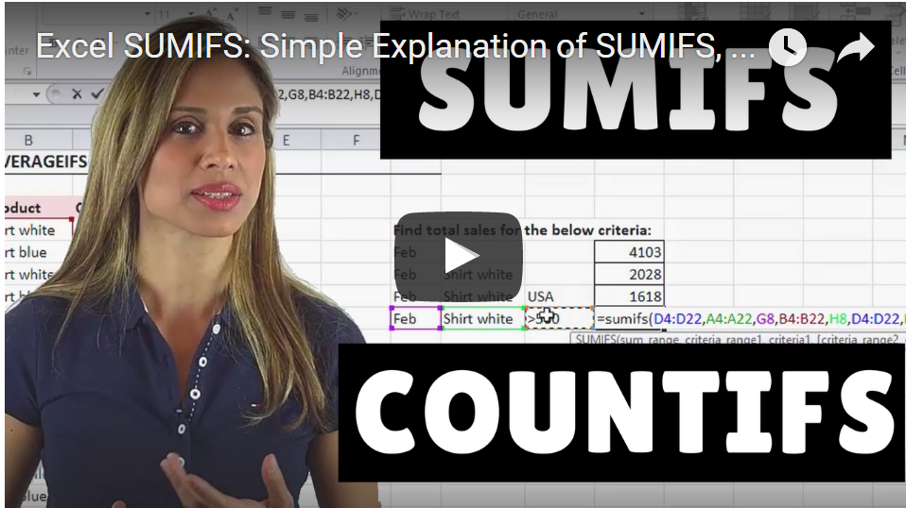

This is part of my online course called Advanced Excel: Top Tips & Formulas.
Get more Details about the Course HERE.
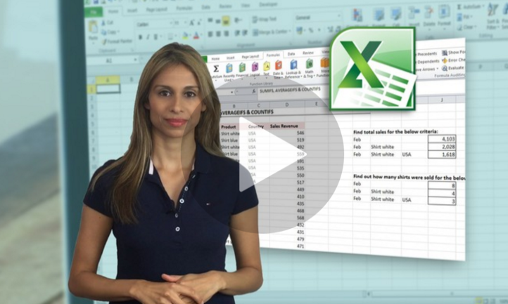

Sharing & Learning
Feel free to share this with anyone who can benefit!

